Sheet1
 |  |  |  |  |  | SENSOR |  |  |  |  |  | AKTUATOR

 |  |  |  |  |  |  | Ph Sensor
 |  |  |  |  |  |  |  |  |  |  | Lampu 12 Volt
 | Power
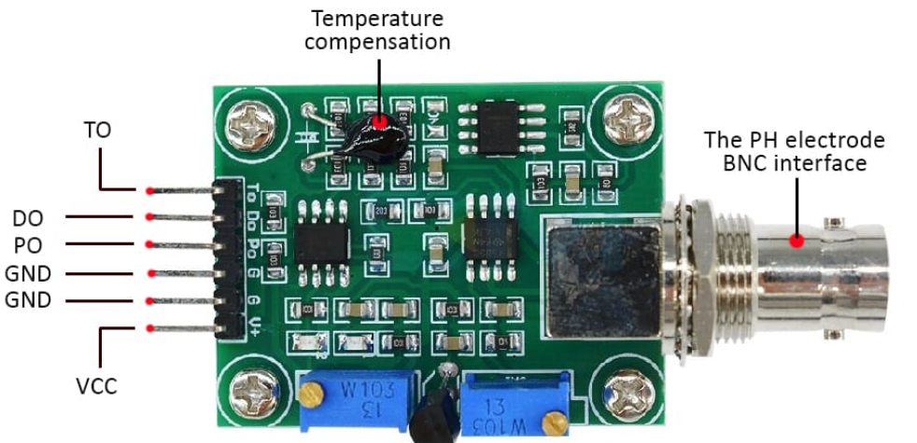
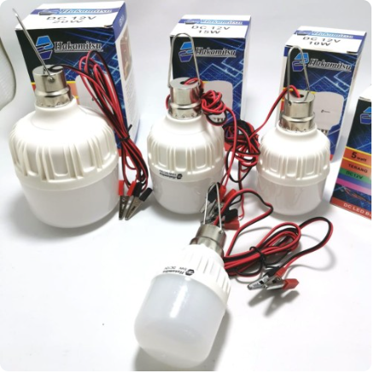
 | Analog
 | SDA/SCL
 | Digital I/O | ARDUINO Bult ESP Robodyn
 | TX/RX

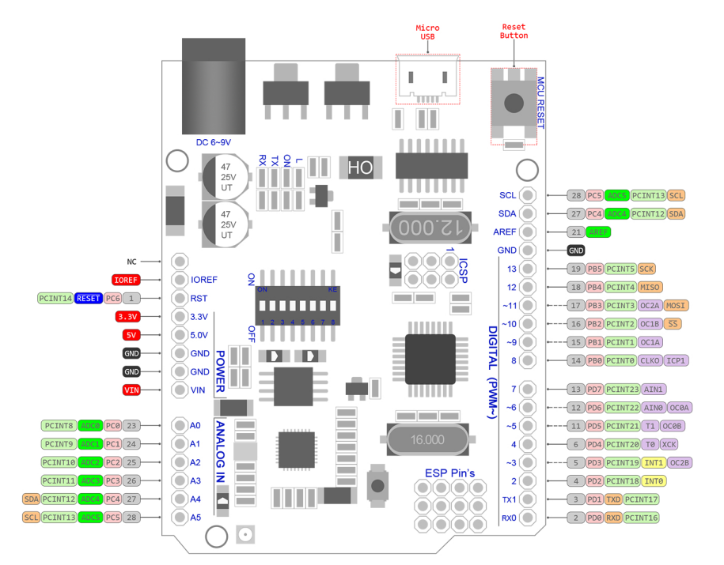
 |  |  |  |  | TO
 |  |  |  |  | DO
 |  |  |  | A0 | PO
 |  |  |  | GND | GND
 |  |  |  | GND | GND
 |  |  |  | 5V | VCC

 |  |  | PC5
 |  |  | PC4
 |  |  | AREF
 |  |  | GND
 |  |  | PB5
Reset |  |  | PB4 |  |  |  | TDS Sensor
3.3 V |  |  | PB3 |  |  |  |  |  |  |  |  | Connect to Relay
5V |  |  | PB2
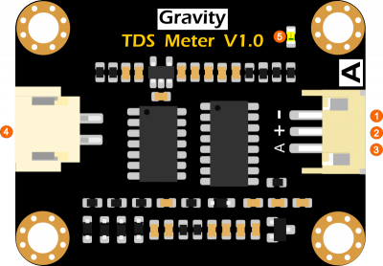
GND |  |  | PB1
GND |  |  | PB0
Vin
 |  |  | PD7
A0 |  |  | PD6
A1 |  |  | PD5
A2 |  |  | PD4 |  |  |  |  | GND | GND
A3 |  |  | PD3 |  | Electrode |  |  | VIN | 5V
A4 |  |  | PD2 |  | Probe |  |  | A | A1 |  |  | Water Pump
A5 |  |  | PD1
 |  |  | PD0
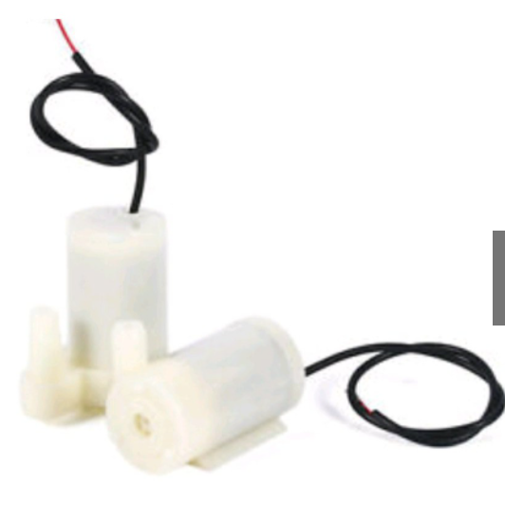

 |  |  |  |  |  |  | DHT 11

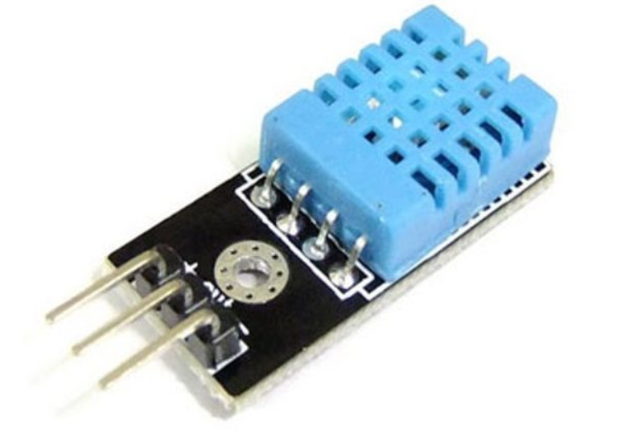

 |  |  |  |  |  |  |  |  | VCC | 5V
 | Relay
 |  |  |  |  |  |  |  |  | DQ | A3

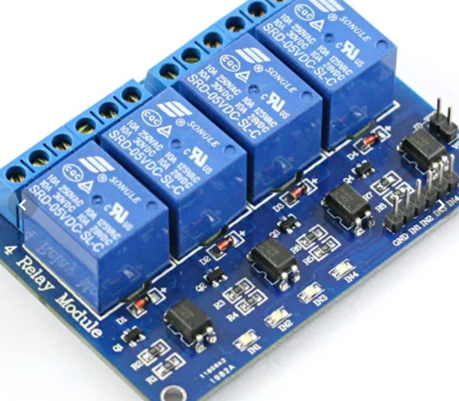
 |  |  |  |  |  |  |  |  | GND | GND

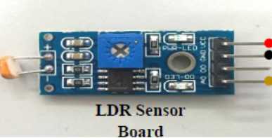
 |  |  |  |  |  | Sensor Cahaya
 |  |  |  |  |  |  |  |  |  |  |  | 5 Pcs connect to Relay

 |  |  |  |  |  |  |  | VCC | 5V
 |  |  |  |  |  |  |  | GND | GND

 |  |  |  |  |  |  |  | A2 | A2

